Page Layout
Project Name |  |  |  | Wow tasty |  | User Type |  |  |  |  | User |  |  |  | Writer | Hak Choi
Phase |  |  |  | Requirements programing design |  | Page Name |  |  |  |  | Signup completed(Restaurant) |  |  |  | Date | 11/25/2012

 | 1. Page layout

 |  | 1 ) layout
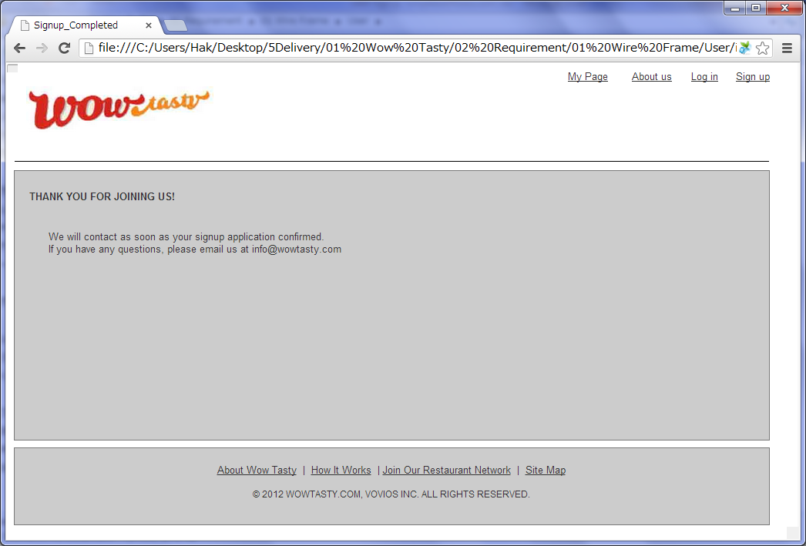

 |  | 2) Field list

 |  | No. | Name |  | Controller |  | Len | Align |  | Default |  | Note

 |  | 3) Validation list

 |  | - Unit validation
 |  | No. | Name |  | Required | Type |  |  | Other |  |  |  |  | Error Message

 |  | - Correlation validation
 |  | No. | Condition |  | Field |  |  |  |  |  | Required |  | Other | Error message

